Instructions
Scope of Work – Budget Modification Workbook for School-based After School only
Welcome to the OFCY Scope of Work – Budget Modification Workbook for OFCY grantees funded under the School-based After School strategy! This Budget workbook contains one additional column labeled ASES which is only pertinent to School-based After School grantees. Once this workbook is completed and saved, it will have to be uploaded to the formal modification request through Cityspan. Please do NOT email this form directly to your Grant Manager.

The workbook is protected and will only allow you to write in certain cells. Please follow the general color code guide:
 | Green cells are writeable and required. Green cells with zeroes can be left blank.
 | Red cells are auto-calculations and locked.

This workbook consists of worksheets (see color coded tabs at the bottom of the workbook) that corresponds to each section of the Budget in Cityspan. Only use the worksheet that corresponds to the budget section that you are requesting to modify. You do NOT have to recreate your entire budget.
Ø Personnel
Ø Other Direct Costs
Ø Youth Wages, Stipends & Incentives
Ø Subcontracts
Ø Consultants
Ø Indirect Costs
Ø Grand Total - Summary view of all the changes by Budget Category and Columns. Also reflects current budget information entered in Step 2 below and the Modified Budget Totals after proposed modifications.

Each budget line item is organized by three rows:
Ø Current – the data that is currently in Cityspan SOW-Budget.
Ø Modification – What specifically you are proposing to modify.
Ø Difference – Calculated by the formula Modification #s – Current #s.

Type in Agency and Program name here!
Step 1 | Start by entering your Agency Name and Program Name below as it appears in your Cityspan homepage.
Agency Name:
Program Name:

Type in Budget information here!
Step 2 | Log into Cityspan and go to your current Scope of Work – Budget form. Locate the Grant Award Amount, Total Project Budget, OFCY Funds Requested, ASES and Other Projected Match at the bottom of the page and enter it below.
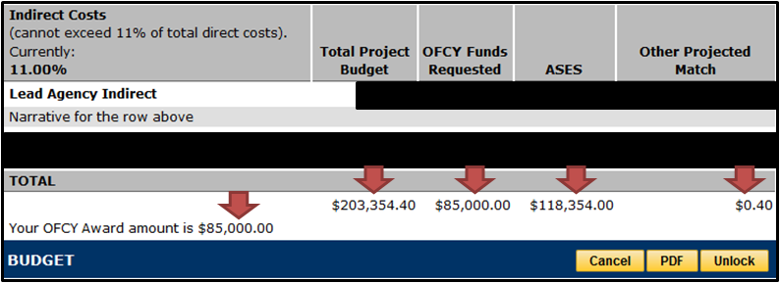
Grant Award Amount:
Total Project Budget:
OFCY Funds Requested:
ASES:
Projected Match:

Step 3 | Select the Budget section worksheet you want to modify.

Step 4 | Enter the current data for the Budget line item in the Current row. TIP: You may be able to copy and paste from Cityspan Scope of Work Budget form. This may impact formatting but as long as the data is correct, it will not interfere with calculations.

Step 5 | Enter the data you want to modify in the Modification row.

Step 6 | Provide a line by line justification for any requested changes in the field Why the Modification? Additionally, you can provide a general justification in the Cityspan Modification Form.

Step 7 | Save the excel document with the following naming scheme: “AGENCY - PROGRAM Budget Modification Request”

Step 8 | Your spreadsheet is ready to be uploaded as part of your Modifications Request through Cityspan.

If you have any further questions on this worksheet or general modifications request process, please contact your assigned Grant Manager. Thank you.

What Happens After I Submit The Modification Request Through Cityspan?
Ø You will also see a link called Status appear below your modification request, which is read-only. This is where the Grant Manager will either Approve or Deny the request with comments.
Ø The assigned OFCY Grant Manager will receive an email that you have submitted a modification request with a date/time stamp.
Ø The Grant Manager will review and make a determination on the Status of your request.
Ø Cityspan will send a notification email to you with the Grant Manager determination and comments. You can also find this information by clicking on the Status link.

What Happens If My Modifications Are Approved?
The Grant Manager will unlock the Scope of Work - Budget form in Cityspan. This will allow you to apply the approved modifications in Cityspan. Only make the modifications your Grant Manager has approved.

To make the edits into the Scope of Work - Budget in Cityspan:
1) Click the Scope of Work tab.
2) Click on Budget.
3) Make the specific budget line item edits approved by your Grant Manager. NOTE: In order to make actual changes to Subcontractor amounts in Cityspan, you will need to enter a full detailed Subcontractor budget that rolls up to the new modified amount.
4) Once all edits have been made, click Save. This will refresh the new auto-calculations in the SOW-Budget.
5) Cross check the new budget totals for Total Project Budget, OFCY Funds Requested, ASES and Projected Match are equal to the numbers in the Modified Budget row in the Grand Total worksheet.
6) Resubmit the Scope of Work - Budget in Cityspan.
7) Email your Grant Manager to let them know that all modifications have been entered into Cityspan and the SOW - Budget resubmitted. The Grant Manager will conduct a final review of changes to the Budget.

If you need further instructions, please refer to the Cityspan User Manual and Recorded Webinar located at www.ofcy.org/cityspan. You can also call the Cityspan Helpdesk at 866.469.6884 (toll free) Monday - Friday, 8AM-5PM, PST.

Grand Total
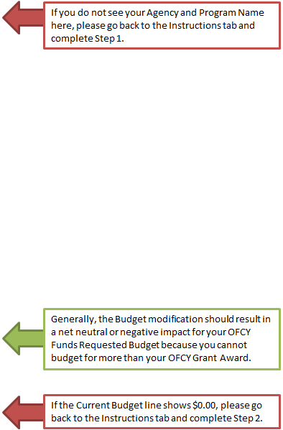
-
 | Changes in Budget Amount by Budget Category
 | Total Project Budget | OFCY Funds Requested | ASES | Other Projected Match
Personnel | $0.00 | $0.00 | $0.00 | $0.00
Other Direct Costs | $0.00 | $0.00 | $0.00 | $0.00
Youth Wages, Stipends & Incentives | $0.00 | $0.00 | $0.00 | $0.00
Subcontracts | $0.00 | $0.00 | $0.00 | $0.00
Consultants | $0.00 | $0.00 | $0.00 | $0.00
Indirect Costs | $0.00 | $0.00 | $0.00 | $0.00
GRAND TOTAL | $0.00 | $0.00 | $0.00 | $0.00

These should be the new Budget totals for the four columns in your SOW-Budget after you make all the approved modifications proposed in this workbook into Cityspan. Make sure to submit your SOW-Budget form once you verify that the SOW-Budget totals match these Modified Budget amounts.
Current Budget | $0.00 | $0.00 | $0.00 | $0.00
Modified Budget | $0.00 | $0.00 | $0.00 | $0.00

The Modified OFCY Funds Requested amount can not exceed your OFCY grant award. The Modified Projected Match must be at least 25% of your OFCY grant award.

